BMS2 - Drawing
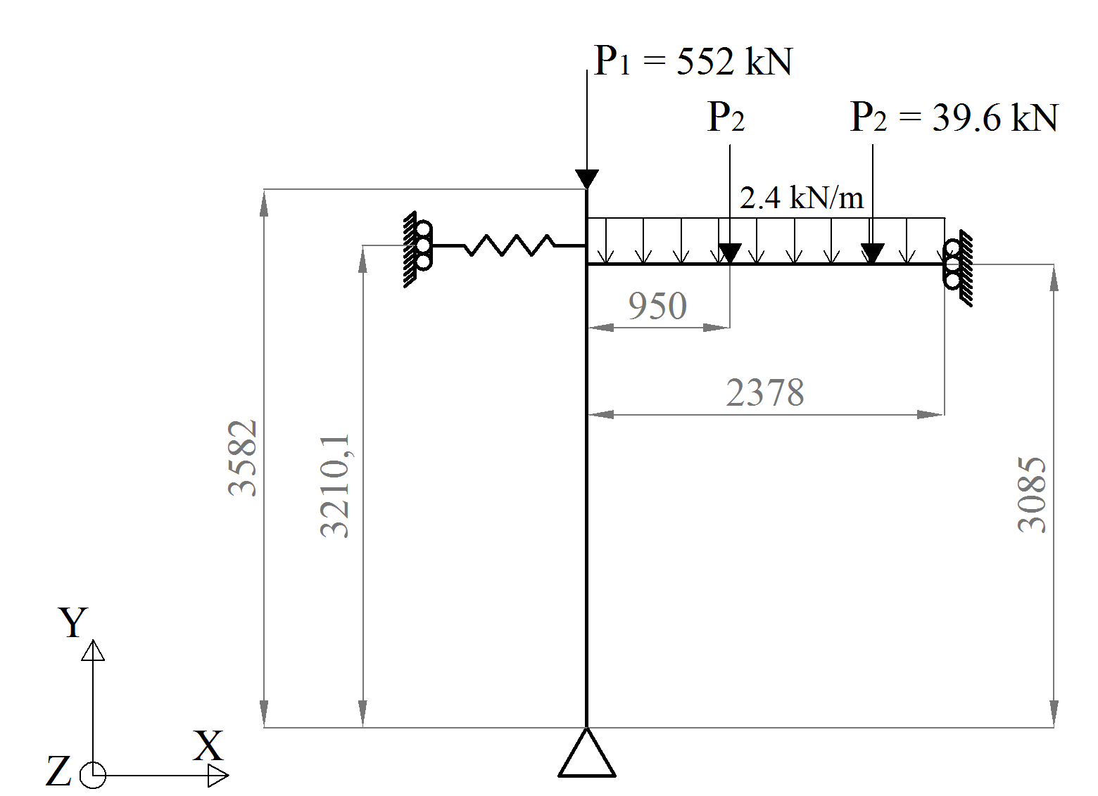

1
2
3

Ar temperature
Ar temperature measured during the experimental test
X | Y | Time (sec) | Temp (ºC)
0.00 | 20 | 0 | 20
1.51 | 101 | 90.777239709 | 100.80724041
2.59 | 450 | 155.13559322 | 449.63535108
4.10 | 601 | 246.08353511 | 600.78584441
5.95 | 675 | 357.19612591 | 675.25766894
7.00 | 681 | 419.73123487 | 680.8511939
14.91 | 835 | 894.32687651 | 834.98184397
17.38 | 844 | 1042.6670702 | 843.51579025
18.99 | 826 | 1139.1791768 | 826.44789769
24.88 | 675 | 1492.7687651 | 675.25766894
30.00 | 572 | 1800 | 571.64908119

